Sheet1
Empty Column | Nom simple | Reste du nom | Dérivés du nom | Date de sortie | Nom du studio
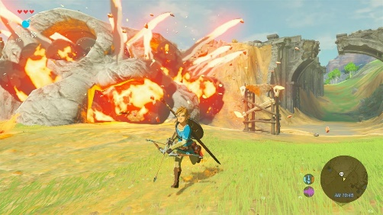 | The Legend of Zelda | Breath of the Wild | The Legend of Zelda Breath of the Wild | 2017-03-03 | Nintendo | Action-Adventure
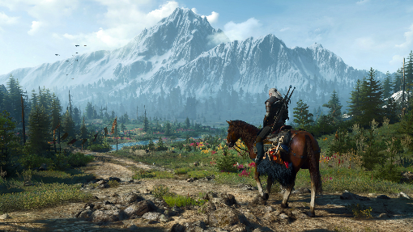 | The Witcher 3 | Wild Hunt | The Witcher 3 Wild Hunt | 2015-05-19 | CD Projekt Red | RPG
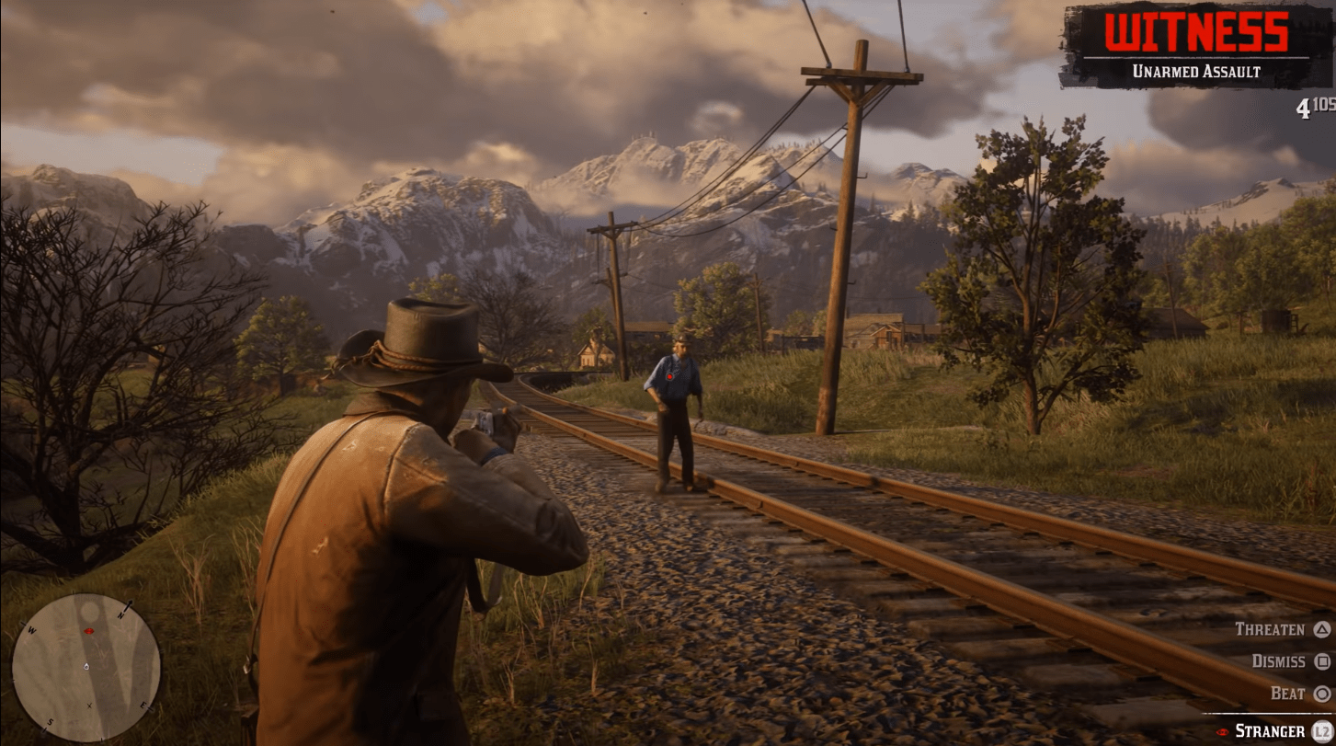 | Red Dead Redemption | 2 | Red Dead Redemption 2 | 2018-10-26 | Rockstar Games | Action-Adventure
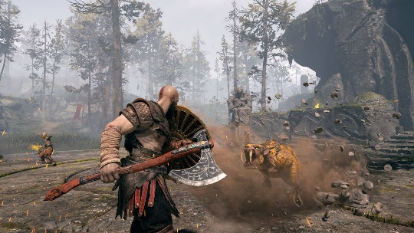 | God of War |  | God of War | 2018-04-20 | Santa Monica Studio | Action-Adventure
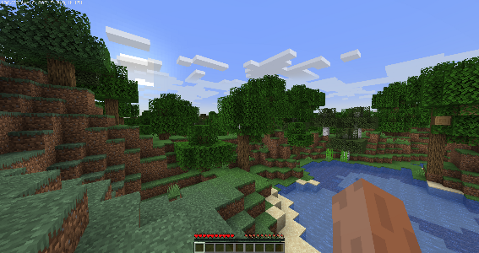 | Minecraft |  | Minecraft | 2011-11-18 | Mojang | Simulation
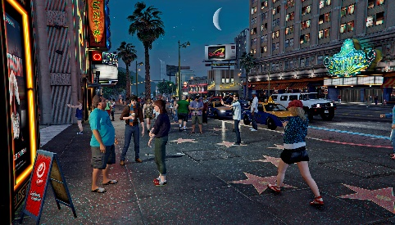 | Grand Theft Auto | V | Grand Theft Auto V | 2013-09-17 | Rockstar Games | Action-Adventure
 | Fortnite |  | Fortnite | 2017-07-25 | Epic Games | TPS
 | Dark Souls | III | Dark Souls III | 2016-03-24 | FromSoftware | RPG
 | Overwatch |  | Overwatch | 2016-05-24 | Blizzard Entertainment | FPS
 | Persona | 5 | Persona 5 | 2016-09-15 | Atlus | RPG
 | Horizon Zero Dawn |  | Horizon Zero Dawn | 2017-02-28 | Guerrilla Games | Action-Adventure
 | The Elder Scrolls V | Skyrim | The Elder Scrolls V Skyrim | 2011-11-11 | Bethesda Game Studios | RPG
 | Cyberpunk | 2077 | Cyberpunk 2077 | 2020-12-10 | CD Projekt Red | RPG
 | Bloodborne |  | Bloodborne | 2015-03-24 | FromSoftware | RPG
 | Halo | Combat Evolved | Halo Combat Evolved | 2001-11-15 | Bungie | FPS
 | Super Mario | Odyssey | Super Mario Odyssey | 2017-10-27 | Nintendo | "Platformer",
 | The Last of Us | Part II | The Last of Us Part II | 2020-06-19 | Naughty Dog | Action-Adventure
 | Metal Gear Solid V | The Phantom Pain | Metal Gear Solid V The Phantom Pain | 2015-09-01 | Kojima Productions | Action-Adventure
 | DOOM | Eternal | DOOM Eternal | 2020-03-20 | id Software | FPS
 | The Sims | 4 | The Sims 4 | 2014-09-02 | Maxis | Simulation
 | Animal Crossing | New Horizons | Animal Crossing New Horizons | 2020-03-20 | Nintendo | Simulation
 | Stardew Valley |  | Stardew Valley | 2016-02-26 | ConcernedApe | Simulation
 | Sekiro | Shadows Die Twice | Sekiro Shadows Die Twice | 2019-03-22 | FromSoftware | Action-Adventure
 | Mass Effect | 2 | Mass Effect 2 | 2010-01-26 | BioWare | RPG
 | Final Fantasy VII | Remake | Final Fantasy VII Remake | 2020-04-10 | Square Enix | RPG
 | Assassin's Creed | Valhalla | AC Valhalla | 2020-11-10 | Ubisoft | Action-Adventure
 | Ghost of Tsushima |  | Ghost of Tsushima | 2020-07-17 | Sucker Punch Productions | Action-Adventure
 | Resident Evil | 2 | Resident Evil 2 | 2019-01-25 | Capcom | Action-Adventure
 | Half-Life | Alyx | Half-Life Alyx | 2020-03-23 | Valve | "FPS",
 | Uncharted 4 | A Thief's End | Uncharted 4 A Thief End; Uncharted 4 A Thief's End | 2016-05-10 | Naughty Dog | Action-Adventure
 | Celeste |  | Celeste | 2018-01-25 | Maddy Makes Games | Platformer
 | Hades |  | Hades | 2020-09-17 | Supergiant Games | RPG
 | Among Us |  | Among Us | 2018-06-15 | InnerSloth | Party
 | Cuphead |  | Cuphead | 2017-09-29 | Studio MDHR | Platformer
 | Control |  | Control | 2019-08-27 | Remedy Entertainment | Action-Adventure
 | Fall Guys | Ultimate Knockout | Fall Guys Ultimate Knockout | 2020-08-04 | Mediatonic | Party
 | Monster Hunter | World | Monster Hunter World | 2018-01-26 | Capcom | RPG
 | Death Stranding |  | Death Stranding | 2019-11-08 | Kojima Productions | Action-Adventure
 | Portal | 2 | Portal 2 | 2011-04-19 | Valve | Puzzle
 | Tetris |  | Tetris | 1984-06-06 | Alexey Pajitnov | Puzzle
 | League of Legends |  | League of Legends | 2009-10-27 | Riot Games | MOBA
 | Dota | 2 | Dota 2 | 2013-07-09 | Valve | MOBA
 | World of Warcraft |  | World of Warcraft | 2004-11-23 | Blizzard Entertainment | MMO
 | BioShock |  | BioShock | 2007-08-21 | Irrational Games | FPS
 | Halo | 3 | Halo 3 | 2007-09-25 | Bungie | FPS
 | The Last of Us |  | The Last of Us | 2013-06-14 | Naughty Dog | Action-Adventure
 | Super Smash Bros. | Ultimate | Super Smash Bros. Ultimate | 2018-12-07 | Nintendo | Fighting
 | Diablo | III | Diablo III | 2012-05-15 | Blizzard Entertainment | RPG
 | Mario Kart | 8 Deluxe | Mario Kart 8 Deluxe | 2017-04-28 | Nintendo | Racing
 | Destiny | 2 | Destiny 2 | 2017-09-06 | Bungie | FPS

